Sheet1
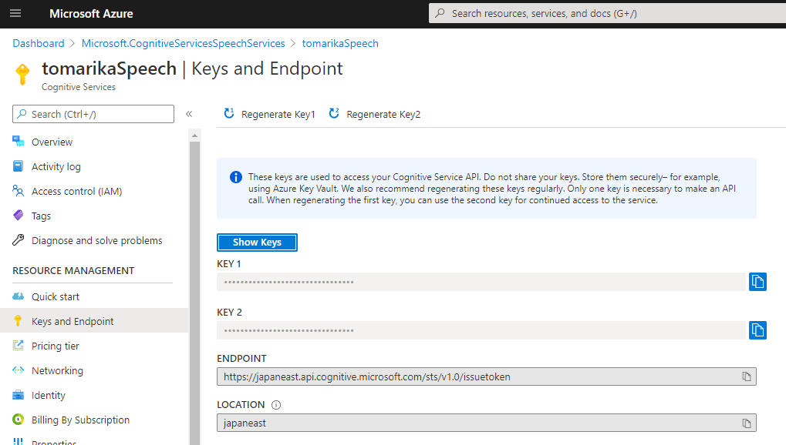
TalkLogger Setting sample

YourSubscriptionKey

YourServiceRegion

